Spectrum Infos
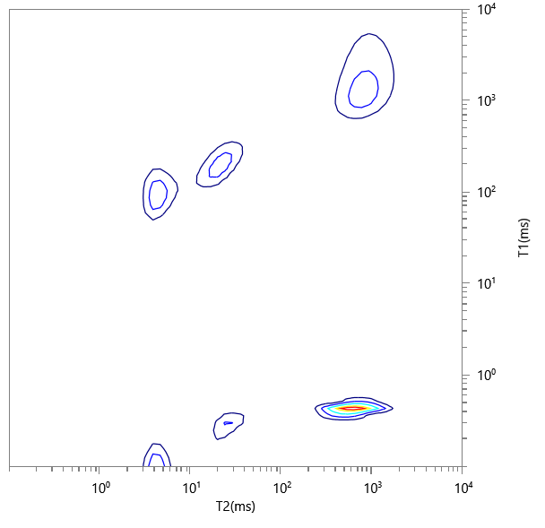
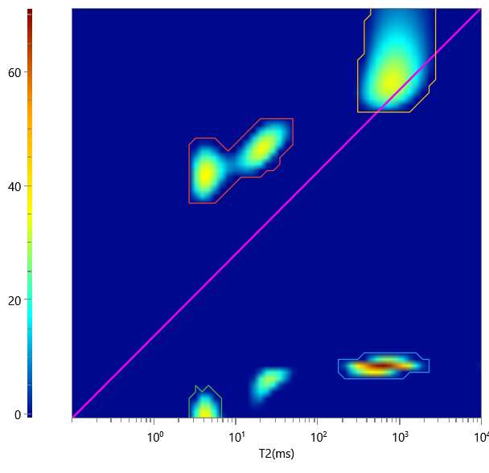
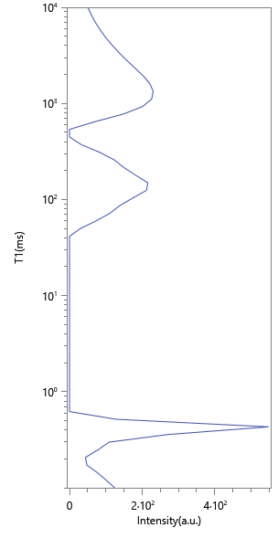
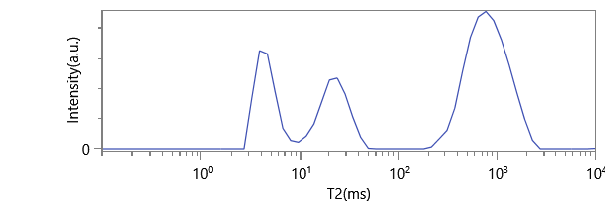
No. | ∫∫ | Content | HI | Saturation
1 | 870.557 | 0.174 | 1 | 0.174
2 | 1524.42 | 0.305 | 1 | 0.305
3 | 2263.147 | 0.453 | 1 | 0.453
4 | 334.119 | 0.067 | 1 | 0.067

